Wheels 1
Stingray
 |  |  | S = Standard Equipment A = Available -- (dashes) = Not Available D = ADI Available ■ = Included in Equipment Group □ = Included in Equipment Group but upgradeable * = Indicates availability of feature on multiple models.
Orderable RPO Code | Ref. Only RPO Code | Wheels | Description | Coupe 1YC07 1LT | Coupe 1YC07 2LT | Coupe 1YC07 3LT | Convertible 1YC67 1LT | Convertible 1YC67 2LT | Convertible 1YC67 3LT
 | QEB | 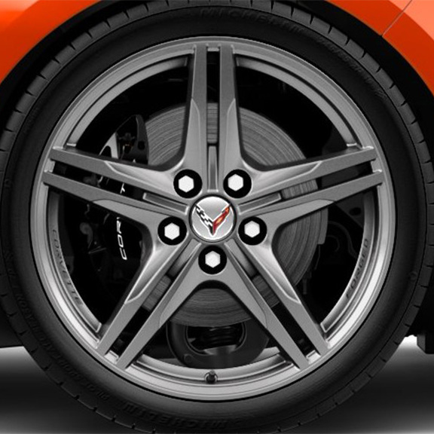 | NEW! Wheels, 19" x 8.5" (48.3 cm x 21.6 cm) front and 20" x 11" (50.8 cm x 27.9 cm) rear 5-split-spoke Pearl Nickel forged aluminum | S | S | S | S | S | S
Q99 |  | 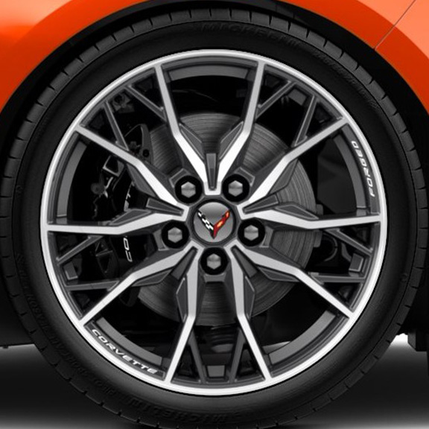 | Wheels, 19" x 8.5" (48.3 cm x 21.6 cm) front and 20" x 11" (50.8 cm x 27.9 cm) rear 20-spoke bright machined-face forged aluminum | A | A | A | A | A | A
Q9A |  | 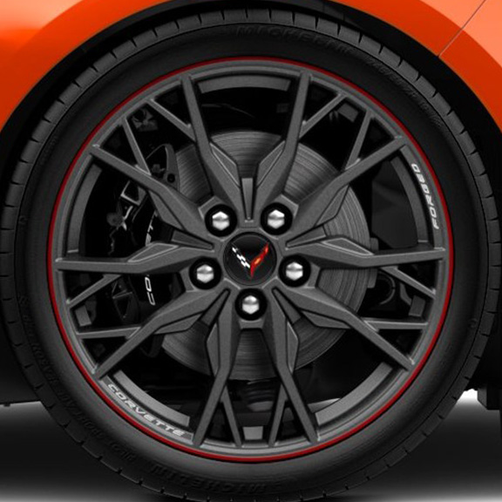 | Wheels, 19" x 8.5" (48.3 cm x 21.6 cm) front and 20" x 11" (50.8 cm x 27.9 cm) rear 20-spoke Midnight Grey forged aluminum with Red stripe | A | A | A | A | A | A
Q9I |  | 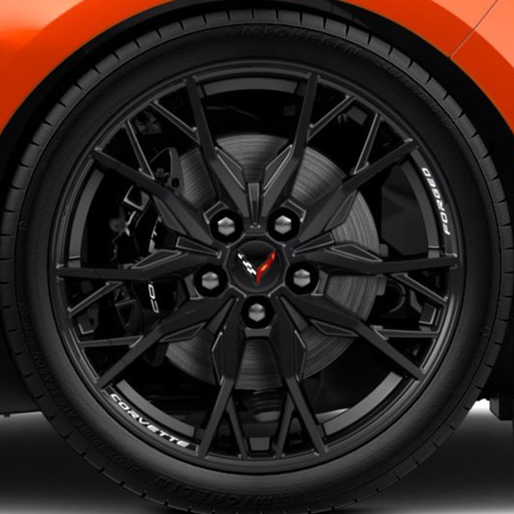 | Wheels, 19" x 8.5" (48.3 cm x 21.6 cm) front and 20" x 11" (50.8 cm x 27.9 cm) rear 20-spoke Gloss Black forged aluminum | A | A | A | A | A | A
Q9O |  | 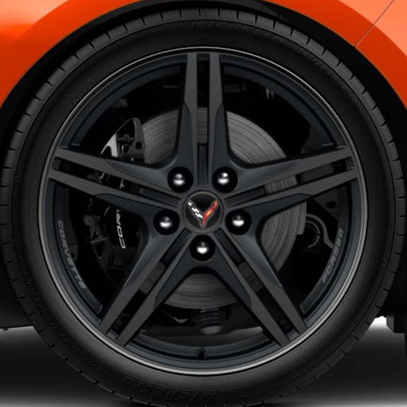 | Wheels, 19" x 8.5" (48.3 cm x 21.6 cm) front and 20" x 11" (50.8 cm x 27.9 cm) rear 5-split-spoke Satin Graphite with machined edge forged aluminum | A | A | A | A | A | A
Q9Y |  | 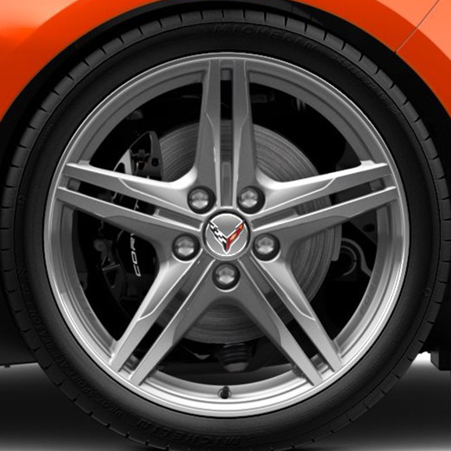 | Wheels, 19" x 8.5" (48.3 cm x 21.6 cm) front and 20" x 11" (50.8 cm x 27.9 cm) rear 5-split-spoke machined-face Sterling Silver-painted forged aluminum | A | A | A | A | A | A
QE5 |  | 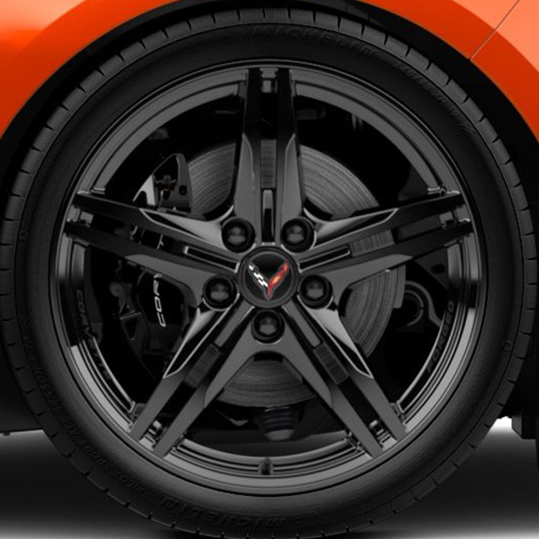 | Wheels, 19" x 8.5" (48.3 cm x 21.6 cm) front and 20" x 11" (50.8 cm x 27.9 cm) rear 5-split-spoke Gloss Black forged aluminum | A | A | A | A | A | A
5DO |  | 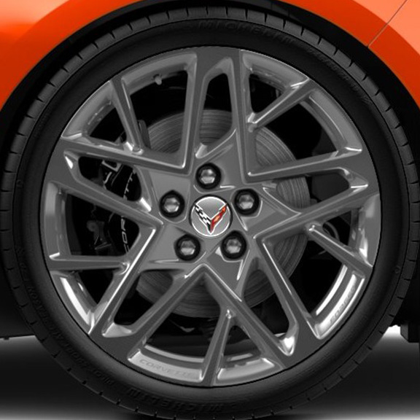 | LPO, 19" x 8.5" (48.3 cm x 21.6 cm) front and 20" x 11" (50.8 cm x 25.4 cm) rear 15-spoke bright polished aluminum wheels. Includes Chrome lug nuts and Chrome wheel locks. Accessory LPO wheels are a second set of wheels. Please ensure customer desires 2 sets of wheels before ordering. Genuine Corvette Accessory 1. Not available with R8C, SPZ, SFE, SPY, S47. | A1 | A1 | A1 | A1 | A1 | A1
5DG |  | 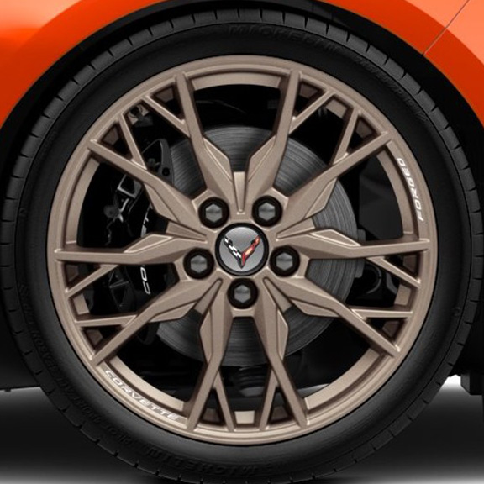 | LPO, 19" x 8.5" (48.3 cm x 21.6 cm) front and 20" x 11" (50.8 cm x 25.4 cm) rear 20-spoke Tech Bronze aluminum wheels. Includes Black lug nuts, Black wheel locks, and Tech Bronze wheel centre caps. Accessory LPO wheels are a second set of wheels. Please ensure customer desires 2 sets of wheels before ordering. Genuine Corvette Accessory 1. Not available with R8C, SPZ, SFE, SPY, S47. Included with (PCX) Tech Bronze Accent Package, LPO. | A1 | A1 | A1 | A1 | A1 | A1

Wheels 2
Z06
 |  |  | S = Standard Equipment A = Available -- (dashes) = Not Available D = ADI Available ■ = Included in Equipment Group □ = Included in Equipment Group but upgradeable * = Indicates availability of feature on multiple models.
Orderable RPO Code | Ref. Only RPO Code | Wheels | Description | Z06 Coupe 1YH07 1LZ | Z06 Coupe 1YH07 2LZ | Z06 Coupe 1YH07 3LZ | Z06 Convertible 1YH67 1LZ | Z06 Convertible 1YH67 2LZ | Z06 Convertible 1YH67 3LZ
 | SOE | 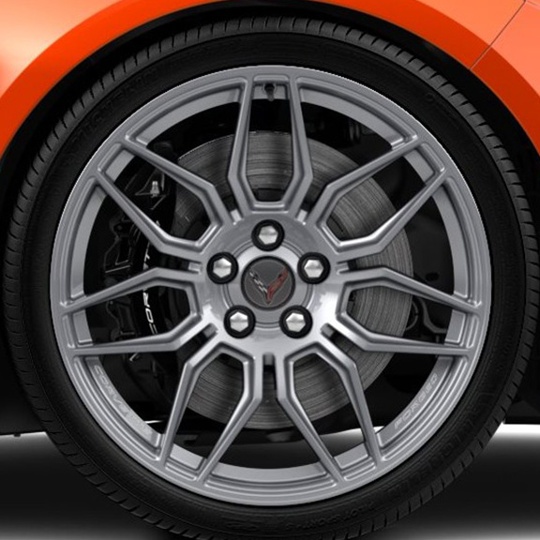 | Wheels, 20" x 10" (50.8 cm x 25.4 cm) front and 21" x 13" (53.3 cm x 33 cm) rear Spider design, Titanium Satin forged aluminum | S | S | S | S | S | S
SOA |  | 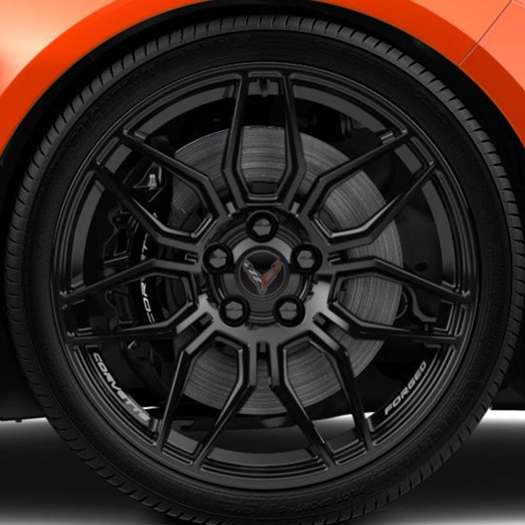 | Wheels, 20" x 10" (50.8 cm x 25.4 cm) front and 21" x 13" (53.3 cm x 33 cm) rear Spider design, Black forged aluminum | A | A | A | A | A | A
SRK |  | 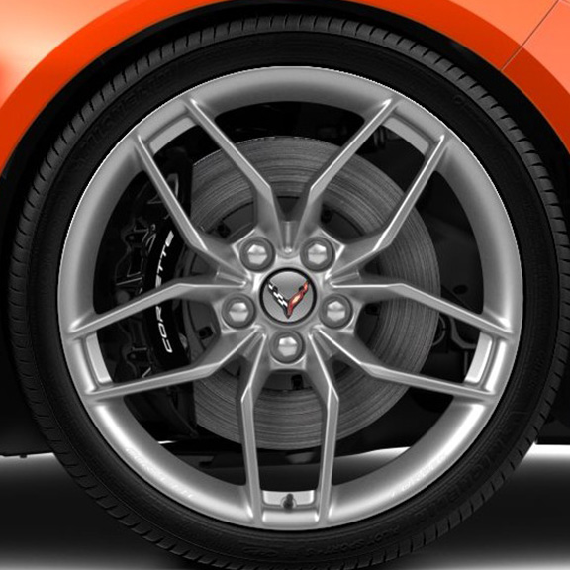 | Wheels, 20" x 10" (50.8 cm x 25.4 cm) front and 21" x 13" (53.3 cm x 33 cm) rear 10-spoke, Pearl Nickel forged aluminum | A | A | A | A | A | A
SRN |  | 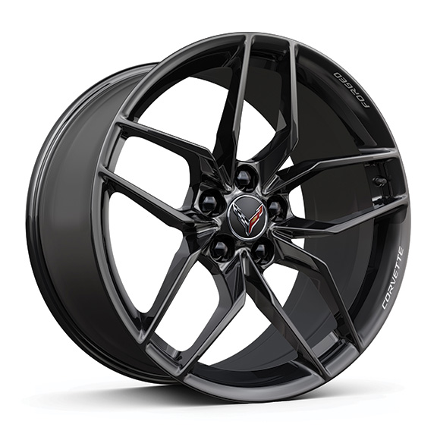 | Wheels, 20" x 10" (50.8 cm x 25.4 cm) front and 21" x 13" (53.3 cm x 33 cm) rear 10-spoke, Gloss Black forged aluminum | A | A | A | A | A | A
STE |  | 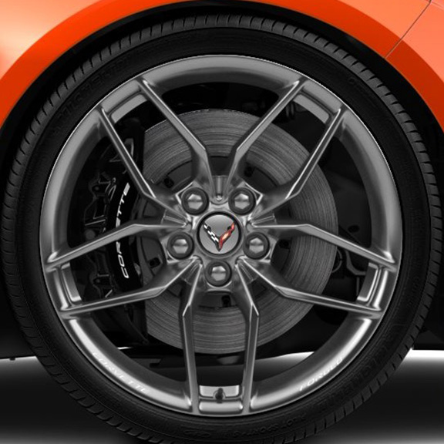 | Wheels, 20" x 10" (50.8 cm x 25.4 cm) front and 21" x 13" (53.3 cm x 33 cm) rear 10-spoke, Polished forged aluminum | A | A | A | A | A | A
STX |  | 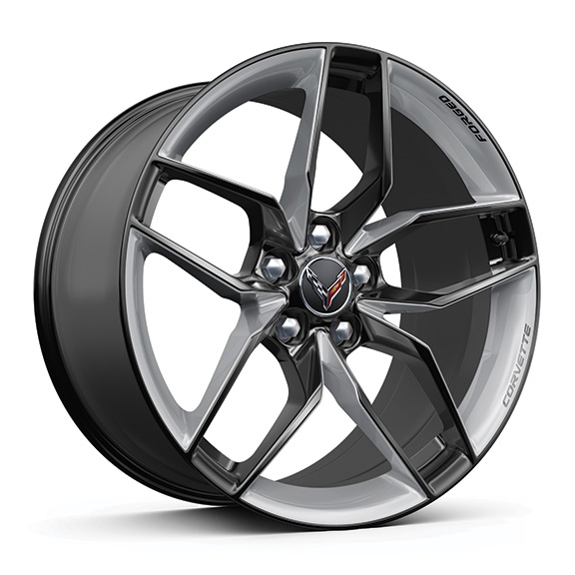 | Wheels, 20" x 10" (50.8 cm x 25.4 cm) front and 21" x 13" (53.3 cm x 33 cm) rear 10-spoke, Bright Polished forged aluminum with Carbon Flash-painted pockets | A | A | A | A | A | A
ROY |  | 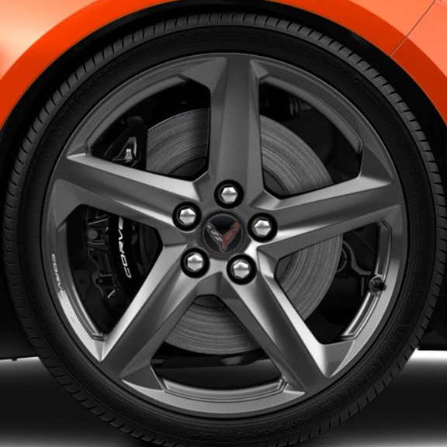 | Wheels, 20" x 10" (50.8 cm x 25.4 cm) front and 21" x 13" (53.3 cm x 33 cm) rear Carbon Flash-painted carbon fibre 1. Requires (J57) carbon ceramic brakes. | A1 | A1 | A1 | A1 | A1 | A1
ROZ |  | 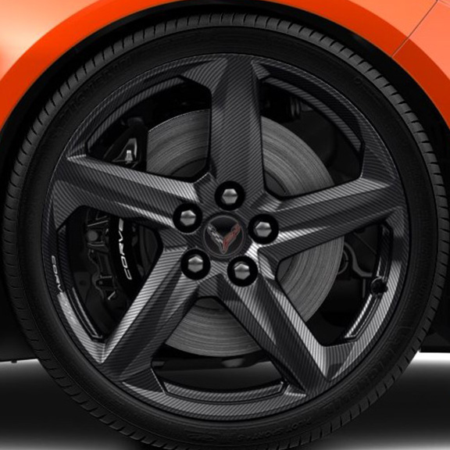 | Wheels, 20" x 10" (50.8 cm x 25.4 cm) front and 21" x 13" (53.3 cm x 33 cm) rear visible carbon fibre 1. Requires (J57) carbon ceramic brakes. | A1 | A1 | A1 | A1 | A1 | A1
STZ |  | 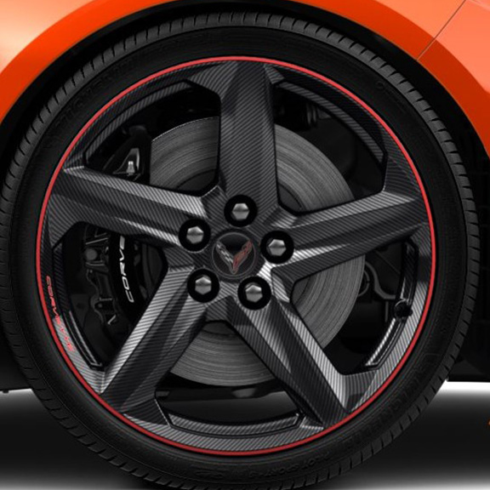 | Wheels, 20" x 10" (50.8 cm x 25.4 cm) front and 21" x 13" (53.3 cm x 33 cm) rear visible carbon fibre with Red stripe 1. Requires (J57) carbon ceramic brakes. | A1 | A1 | A1 | A1 | A1 | A1
5DH |  | 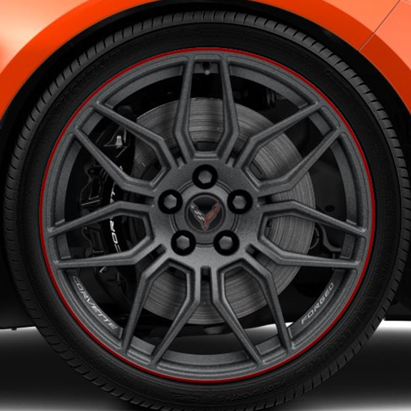 | LPO, 20" x 10" (50.8 cm x 25.4 cm) front and 21" x 13" (53.3 cm x 33 cm) rear Spider design, Satin Graphite forged aluminum with Red stripe wheels. Includes Black lug nuts and Black wheel locks. Accessory LPO wheels are a second set of wheels. Please ensure customer desires 2 sets of wheels before ordering. Accessory wheels do not include additional wheels caps, factory wheels caps may be reused, or additional wheel caps may be purchased. Genuine Corvette Accessory 1. Not available with R8C, SPZ, SFE, SPY, S47, ROY, ROZ, STZ. | A1 | A1 | A1 | A1 | A1 | A1
5DK |  | 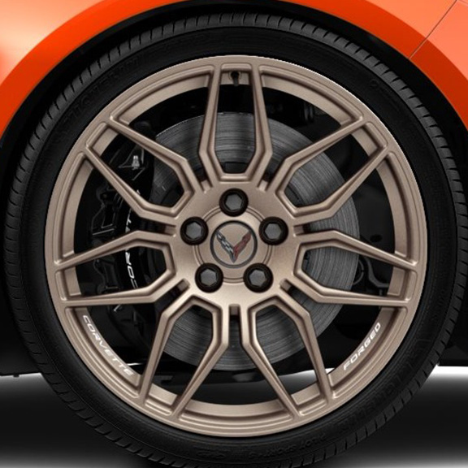 | LPO, 20" x 10" (50.8 cm x 25.4 cm) front and 21" x 13" (53.3 cm x 33 cm) rear Spider design, Tech Bronze forged aluminum wheels. Includes Black lug nuts, Black wheel locks, and Tech Bronze wheel centre caps. Accessory LPO wheels are a second set of wheels. Please ensure customer desires 2 sets of wheels before ordering. Genuine Corvette Accessory 1. Not available with R8C, SPZ, SFE, SPY, S47, ROY, ROZ, STZ. Included with (PCZ) Tech Bronze Accent Package, LPO. | A1 | A1 | A1 | A1 | A1 | A1
SOC |  | 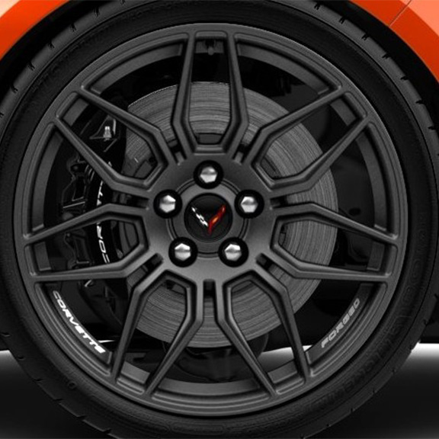 | Wheels, 20" x 10" (50.8 cm x 25.4 cm) front and 21" x 13" (53.3 cm x 33 cm) rear Spider design, Satin Graphite forged aluminum | A | A | A | A | A | A

Wheels 3
E-Ray
 |  |  | S = Standard Equipment A = Available -- (dashes) = Not Available D = ADI Available ■ = Included in Equipment Group □ = Included in Equipment Group but upgradeable * = Indicates availability of feature on multiple models.
Orderable RPO Code | Ref. Only RPO Code | Wheels | Description | E-Ray Coupe 1YG07 1LZ | E-Ray Coupe 1YG07 2LZ | E-Ray Coupe 1YG07 3LZ | E-Ray Convertible 1YG67 1LZ | E-Ray Convertible 1YG67 2LZ | E-Ray Convertible 1YG67 3LZ
 | ROU | 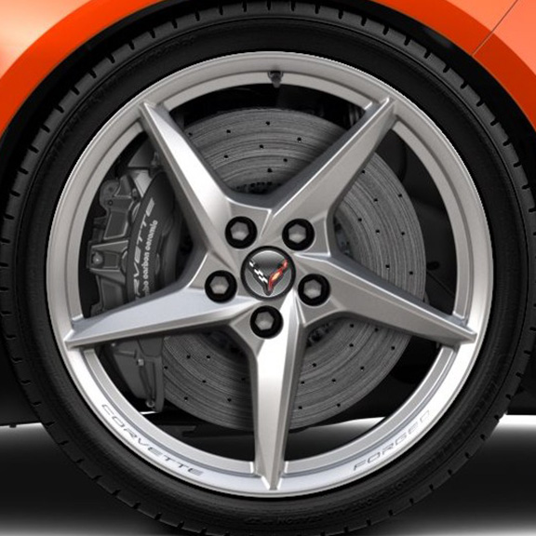 | Wheels, 20" x 10" (50.8 cm x 25.4 cm) front and 21" x 13" (53.3 cm x 33 cm) rear Pearl Nickel forged aluminum | S | S | S | S | S | S
ROX |  | 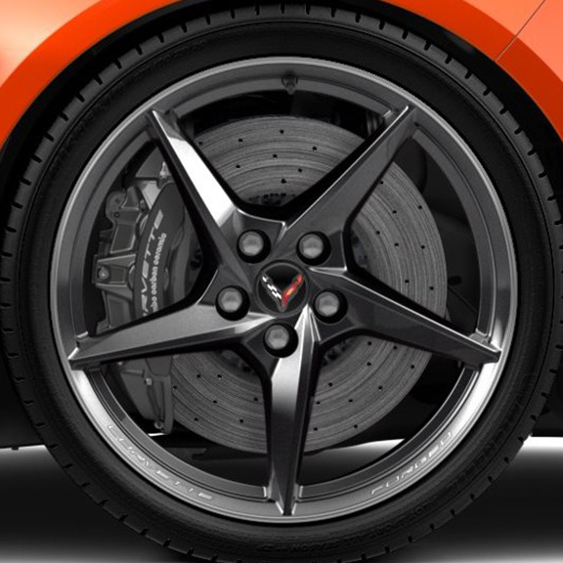 | Wheels, 20" x 10" (50.8 cm x 25.4 cm) front and 21" x 13" (53.3 cm x 33 cm) rear Carbon Flash with machined edge forged aluminum | A | A | A | A | A | A
SOM |  | 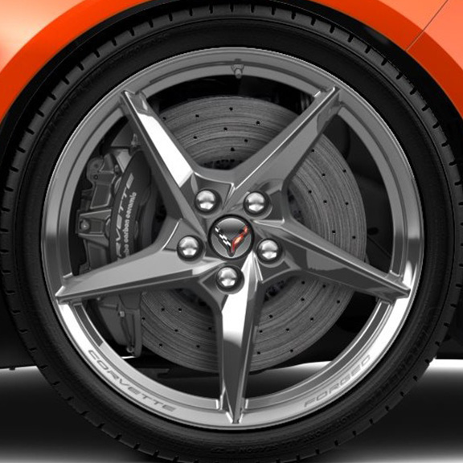 | Wheels, 20" x 10" (50.8 cm x 25.4 cm) front and 21" x 13" (53.3 cm x 33 cm) rear bright polished forged aluminum | A | A | A | A | A | A
SON |  | 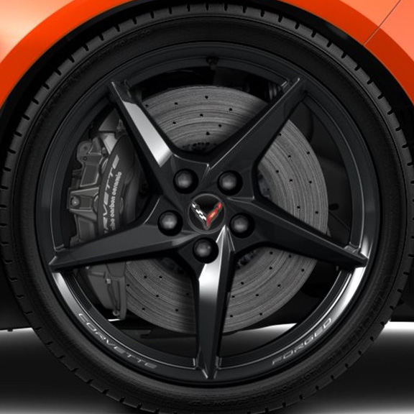 | Wheels, 20" x 10" (50.8 cm x 25.4 cm) front and 21" x 13" (53.3 cm x 33 cm) rear Gloss Black forged aluminum | A | A | A | A | A | A
ROY |  |  | Wheels, 20" x 10" (50.8 cm x 25.4 cm) front and 21" x 13" (53.3 cm x 33 cm) rear Carbon Flash-painted carbon fibre | A | A | A | A | A | A
ROZ |  |  | Wheels, 20" x 10" (50.8 cm x 25.4 cm) front and 21" x 13" (53.3 cm x 33 cm) rear visible carbon fibre | A | A | A | A | A | A
STZ |  |  | Wheels, 20" x 10" (50.8 cm x 25.4 cm) front and 21" x 13" (53.3 cm x 33 cm) rear visible carbon fibre with Red stripe | A | A | A | A | A | A

Wheels 4
ZR1 and ZR1X
 |  |  | S = Standard Equipment A = Available -- (dashes) = Not Available D = ADI Available ■ = Included in Equipment Group □ = Included in Equipment Group but upgradeable * = Indicates availability of feature on multiple models.
Orderable RPO Code | Ref. Only RPO Code | Wheels | Description | ZR1 Coupe 1YR07 1LZ | ZR1 Coupe 1YR07 3LZ | ZR1 Convertible 1YR67 1LZ | ZR1 Convertible 1YR67 3LZ | ZR1X Coupe 1YS07 1LZ | ZR1X Coupe 1YS07 3LZ | ZR1X Convertible 1YS67 1LZ | ZR1X Convertible 1YS67 3LZ
 | SOJ | 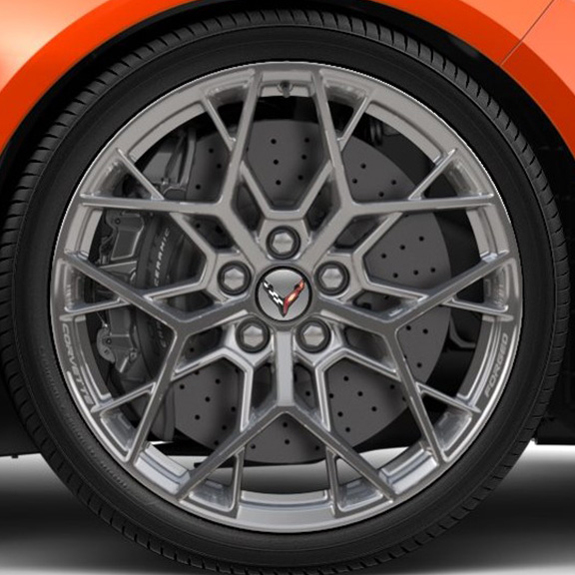 | Wheels, 20" x 10" (50.8 cm x 25.4 cm) front and 21" x 13" (53.3 cm x 33 cm) rear 20-spoke, Sterling Silver-painted forged aluminum | S | S | S | S | S | S | S | S
SOF |  | 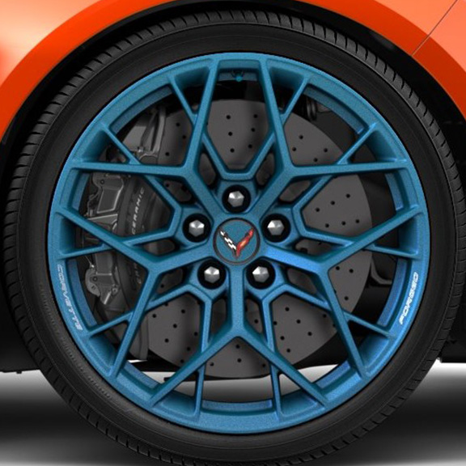 | Wheels, 20" x 10" (50.8 cm x 25.4 cm) front and 21" x 13" (53.3 cm x 33 cm) rear 20-spoke, Edge Blue-painted forged aluminum | A | A | A | A | A | A | A | A
SOG |  | 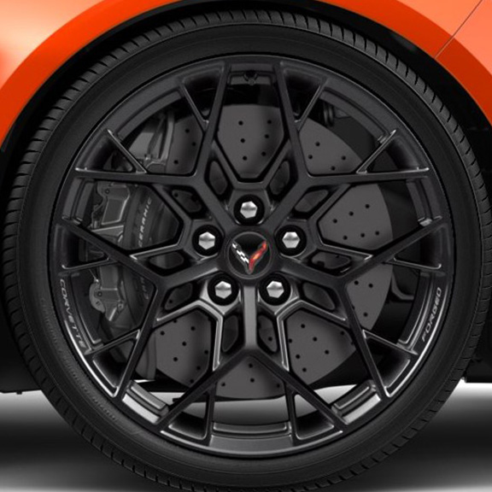 | Wheels, 20" x 10" (50.8 cm x 25.4 cm) front and 21" x 13" (53.3 cm x 33 cm) rear 20-spoke, Carbon Flash-painted forged aluminum | A | A | A | A | A | A | A | A
SOH |  | 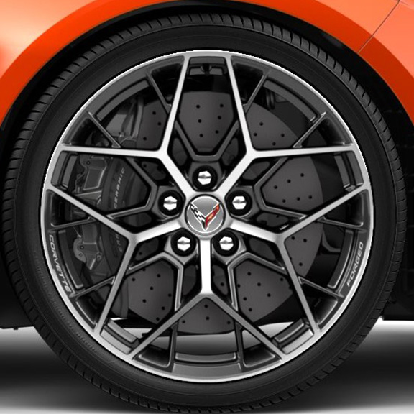 | Wheels, 20" x 10" (50.8 cm x 25.4 cm) front and 21" x 13" (53.3 cm x 33 cm) rear 20-spoke, Bright machined forged aluminum | A | A | A | A | A | A | A | A
SU1 |  | 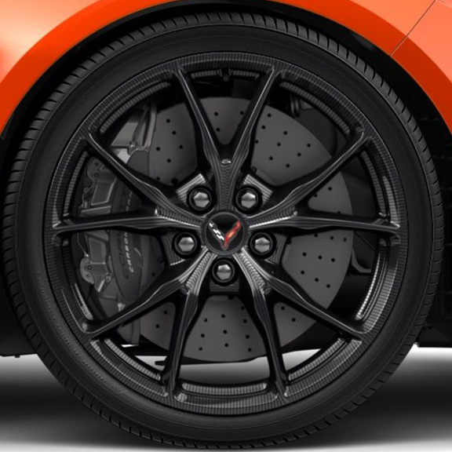 | Wheels, 20" x 10" (50.8 cm x 25.4 cm) front and 21" x 13" (53.3 cm x 33 cm) rear 10-spoke, visible carbon fibre | A | A | A | A | A | A | A | A

